Restrictions
ANIMAL PROTECTION CONTROL CRITERIA - DOG BREEDING
The criteria presented can also be applied to other similar diseases, symptoms or features. The criteria do not apply to diseases, symptoms and features caused by trauma.
Disease, defect, characteristic or veterinary procedure | For more information, see the section/chapter of the reports II and III. | Breeding ban during the transitional period (e.g. 5 years) | Breeding ban after the transitional period | Other things to consider
GENERAL
Surgical intervention to correct a structural defect or weakness or an identified, clear need for such a procedure (more detailed definition will follow) | II. Chapter 6, Table 2, and Chapter 8.1 | x | x
Need for continuous or repeated medication, or a special diet comparable to this, due to a hereditary disease, defect, or behavioural disorder | III. 6.2.1 | x | x
*Relative muzzle length (Craniofacial Ratio, CFR) | II. Chapter 7.3.1 | No ban, but if below 0.33, a veterinary examination must be performed before mating on the points marked with an asterisk (*). | <0.33 (one third)

*BREATHING AND THERMOREGULATION | II. Chapters 7.2.1 and 7.3.1
Clearly noticeable signs of BOAS, e.g. clearly increased, abnormal upper respiratory sounds when awake at rest |  | x | x
Other clear signs of respiratory distress (e.g., cyanosis, fainting, chronic gastrointestinal symptoms) |  | x | x
*Dogs at risk: A BOAS test or equivalent stress test should be performed on the litter's sire and dam before mating |  | Failed | Failed | The minimum age for testing is 18 months. Testing performed at an age under three is valid for 24 months.
*Dog's own BOAS grade |  | 3 | 2-3
*BOAS grades of a mating combination |  | See Figure 1 | Will be tightened if necessary
Figure 1. Allowed combinations in green and prohibited combinations in red stripes. |  | 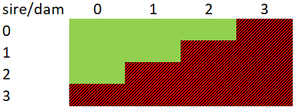
*Dog's own nostril stenosis grade |  | 3 | 2-3
*Nostril stenosis grades of a mating combination |  | See Figure 2 | Will be tightened if necessary
Figure 2. Allowed combinations in green and prohibited combinations in red stripes. Orange (2+2) allowed, if the BOAS grades of the dam and the sire are 0. |  | 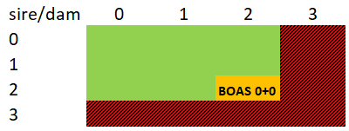

MUSCULOSKELETAL DISORDERS | II. Chapters 7.2.3 and 7.3.2
Clear conformational pain and/or mobility difficulties |  | x | x
Other significant skeletar or joint symptoms considered hereditary | II. Chapter 6, Table 2, and Chapter 8.1 | x | x
A tail that is tightly wrapped around the anus or curls inwards, making defecation difficult |  | x | x
Dogs at risk: veterinary examination/measurement of the litter's sire and dam before mating |  | See Figure 3 (left) | See Figure 3 (right)
Figure 3. Allowed combinations in green, prohibited combinations in red stripes. Orange (mild+mild) not recommended. On the left are the criteria during the transitional period, and on the right the criteria after that. 0 = Healthy/Borderline; 1=Mild; 2=Moderate; 3=Severe.
Chondrodystrophy (CDDY, 12-FGF4RG) X-ray grades, column C: allowed combinations in green, prohibited combinations in red stripes. Orange not recommended. Nervous system symptoms, see column A, row 63. | III. Chapters 5.5 and 6.2.7 | 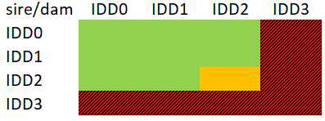 | Will be tightened, if necessary | For breeds and types of dogs at risk, a genetic CDDY test result or an IDD X-ray is required. For carriers of CDDY (1 or 2 copies), an X-ray is required. The dog must be 24-48 months old at the time of the X-ray.
Severe and/or symptomatic bending and/or rotation of the limbs caused by premature closure of the growth plates (short limbs). Column C: Elbow incongruence X-ray grades - allowed combinations in green, prohibited combinations in red stripes. Orange not recommended. | III. Chapters 5.5 and 6.2.7 | 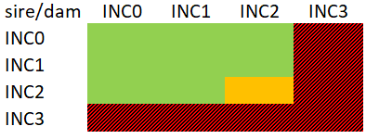 | Will be tightened, if necessary | The minimum age for X-ray is 12 months.
Patellar luxation: predisposing, nearly straight (180 degrees) knee angulation. Column C: Allowed Putnam grades of mating combinations in green, prohibited combinations in red stripes. Orange not recommended. | III. Chapters 5.6 and 6.2.7 | 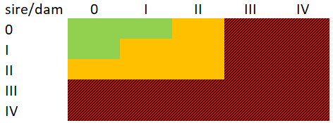 | Will be tightened, if necessary | The screening result for a 3-year-old dog is final. Results obtained before this age are valid for 24 months. It is recommended that dogs from high-risk breeds, breeding lines or types only be used for breeding from the age of three years.
Surgery for a cranial cruciate ligament disease or a need of such treatment | III. Chapters 5.6 and 6.2.7 | x | x
Osteochondrosis | III. Chapters 5.7 and 6.2.7 | x | x | The minimum age for X-ray is 12 months.

*DENTAL AND ORAL DISORDERS | II. Chapters 7.2.4 and 7.3.3
Significant symptoms due to the structure of the skull/jaw and/or dentition, e.g., jaw fracture or clearly noticeable pain or difficulties in eating |  | x | x
*Dental malposition, where the teeth have abnormal contact with soft tissues or other teeth, e.g. teeth that damage the gums or canines that are recessed into the palate |  | x | x
*Clearly noticeable problem with the fit of the teeth related to a short jaw, such as twisted and/or displaced teeth |  | x | x
*Jaws do not close normally, severe jaw disproportion |  | x | x
Paralysed tongue |  | x | x
Lower lip twists between the teeth and interferes with the bite |  | x | x
Other significant oral and dental symptoms or diseases that are considered hereditary | II. Chapter 6, Table 2, and Chapter 8.1 | x | x

*EYE DISEASES | II. Chapters 7.2.5 and 7.3.4
*Significant symptoms of irritation, dry eye and/or pain, e.g. misplaced eyelashes or eyelid rotation, causing corneal ulcers |  | x | x
*Skin folds covering and/or rubbing the eyes |  | x | x
*Nasal fold that covers the nose |  | x | x
*Incomplete closing of the eyes |  | x | x
*Eyelid reflexes |  | Decreased/absent | Decreased/absent
*Visible sclera of the eye when looking straight ahead |  | In two or more quarters | Other than outer side of the eye and more than minimally
Eyeball previously bulged out of its socket |  | x | x
Blindness in female dogs |  | x | x
Hereditary blindness in male dogs |  | x | x | If blindness is caused by something other than heredity, a veterinary certificate or treatment report must be provided.
A diagnosed hereditary eye disease causing significant welfare impairment, e.g. PRA or lens luxation | II. Chapter 6, Table 2, and Chapter 8.1 | x | x
Dogs at risk: veterinary examination/measurement of the litter's sire and dam before mating, e.g. eyelid rotation |  | See Figure 4 (left) | See Figure 4 (right)
Figure 4. Allowed combinations in green, and prohibited combinations in red stripes. 0 = Healthy/Borderline; 1=Mild; 2=Moderate; 3=Severe.

*SKIN | II. Chapters 7.2.6 and 7.3.5
Atopic dermatitis | III. Chapters 5.2 and 6.2.4 | x | x
*Recurrent or chronic skin infections, e.g. ear infections, furunculosis, pododermatitis |  | x | x | If necessary, the dog should be examined by a veterinarian before mating.
*Visible inflammation/intertrigo requiring treatment in skin folds (e.g. tail, nose, lips, anus, vulva) |  | x | x
*Excessive skin or skin folds that can cause eye, ear, or skin problems; e.g. deep skin folds that do not ventilate or skin that covers the eyes |  | x | x
*Tail pressing on the base of the tail, causing a difficult-to-treat stricture and/or problems with defecation |  | x | x

NEUROLOGICAL DISEASES/DEFECTS | II. Chapters 7.2.7 and 7.3.6
History of paralysis or disc herniation |  | x | x
Congenital, bilateral deafness |  | x | x
Clearly noticeable symptoms of syringomyelia | II. Chapter 9.2.7 | x | x
Dogs at risk: veterinary examination/measurement of the litter's sire and dam before mating, syringomyelia |  | See Figure 5 | See Figure 5 | Minimum age at screening is 18 months. The result obtained under the age of 3 is valid for 24 months.
Figure 5. Breeding guidelines and restrictions to avoid syringomyelia (British Veterinary Association, Syringomyelia Information Leaflet: https://www.bva.co.uk/canine-health-schemes/cmsm-scheme/). |  | 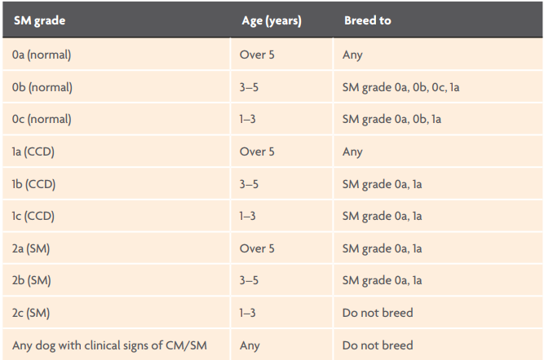
Other significant neurological symptoms considered hereditary | II. Chapter 6, Table 2, and Chapter 8.1 | x | x

REPRODUCTION | II. Chapters 7.2.8 and 7.3.7
A defect, disease, or characteristic that prevents natural reproduction; e.g., one's own/offspring's body structure; or a vaginal septum, the removal of which would require surgical intervention |  | x (also artificial insemination prohibited) | x (also artificial insemination prohibited)
A defect, disease or characteristic that worsens with reproduction, or for which reproduction may trigger the onset |  | x (also artificial insemination prohibited) | x (also artificial insemination prohibited)
A female dog is not fit enough to reproduce |  | x | x
Forced mating |  | x | x
Number of caesarean sections |  | Performed two | Performed two

GENE VARIANTS (breeding restrictions in columns C and D) | II. Chapter 6, Table 2, and Chapters 8 and 8.1
T/T-Box (short tail or bobtail) | III. Chapters 5.9 and 6.2.9 | Carrier x carrier matings | Carrier x carrier matings | Genetic testing should be used if necessary.
FOXI3 (dominant hairlessness, ectodermal dysplasia) | III. Chapters 5.9 and 6.2.9 | Carrier x carrier matings | Carrier x carrier matings | 1) Mouth and teeth: a veterinary statement confirming that the breeding criteria (lines 32–39) are met. 2) Only dogs with healthy skin are allowed in breeding.
HAS2 (extreme skin folds and Shar Pei autoinflammatory syndrome SPAID) | III. Chapters 5.9 and 6.2.9 | Homozygous dogs must not be produced | Homozygous dogs must not be produced
MTBP (Shar Pei autoinflammatory syndrome SPAID) | III. Chapters 5.9 and 6.2.9 | Homozygous dogs must not be produced | Homozygous dogs must not be produced
Duplication of the FGF3, FGF4, FGF19, and ORAOV1 genes (hair ridge pattern) | III. Chapters 5.9 and 6.2.9 | Dogs with a diagnosed dermoid sinus should not be used for breeding. Two homozygous dogs should not be mated together. | Dogs with a diagnosed dermoid sinus should not be used for breeding. Two homozygous dogs should not be mated together.
SINE-insertion in the PMEL17 gene (merle coat pattern) | III. Chapters 5.9 and 6.2.9 | Risk genotypes must be prevented in puppies | Risk genotypes must be prevented in puppies | Genetic testing should be used if necessary.
PSMB7 (harlequin coat pattern) | III. Chapters 5.9 and 6.2.9 | Carrier x carrier matings | Carrier x carrier matings
MITF (deafness associated with white colouring) | III. Chapters 5.9 and 6.2.9 | A dog that is congenitally deaf on both sides may not be used for breeding. | A dog that is congenitally deaf on both sides may not be used for breeding. | BAER hearing testing should be performed, if necessary, before mating. Extensive whiteness of the head should be avoided in breeding.

INBREEDING
Mating a dog with its father, mother, grandfather, grandmother, uncle, or aunt | III. Chapter 4. and 6.2.2 | x | x
Mating a dog with its sibling or half-sibling | III. Chapter 4. and 6.2.2 | x | x

BEHAVIOURAL DISORDERS
Behavioural disorder due to a hereditary disease (e.g. epilepsy or a disease causing chronic pain or itching) | III. Chapter 5.1.5 and 6.2.3 | x | x
Excessive insecurity or fear in everyday situations (often or always), which significantly impairs the ability to function | III. Chapter 5.1.1 and 6.2.3 | x | x
Excessive aggression in unprovoked situations (often or always) | III. Chapter 5.1.2 and 6.2.3 | x | x
Severe abnormal repetitive behaviour (compulsive symptoms and/or stereotyped behaviour) | III. Chapter 5.1.3 and 6.2.3 | x | x

HEART DISEASE
Congenital heart disease | III. 5.3 and 6.2.5 | x | x | The minimum age at examination in risk breeds/breeding lines/types of dogs is 12 months. If auscultation alone is performed, the examination is valid for 24 months. An ultrasound examination is valid for the dog's lifetime.
Degenerative heart disease | III. 5.3 and 6.2.5 | x | x | The minimum age at examination in risk breeds/breeding lines/types of dogs is 24 months. The examination is valid for 12 months.

AUTOIMMUNE DISORDERS | III. 4.2 | x | x

